Case #1
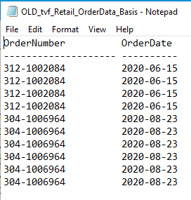
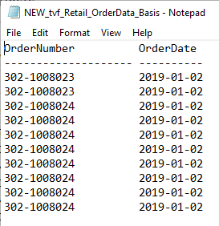
Jane Doe example - Test Plan
Test Case No. | 1 - tvf_Retail_OrderData_Basis
Process | Validate 3 Years of data is retrieved
Test Consideration | 1) Validate queries are pulling 3 years worth of information
Test Condition |  | Data Used | How To Verify | Actual Results
Tasks
1 | Run SQL scripts |  | 1) 3 years worth of data
Configuration/Data Setup for Testing Scenario
1 | Execute current and updated SQL scripts
Verification
 | Screen Shot Validating data
Test Cast Screens Shots Before and After

Case #2
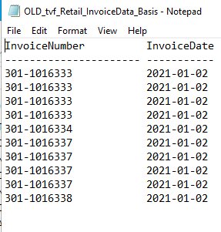
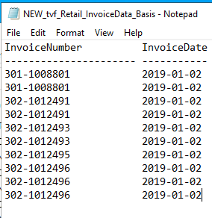
Go Jane - Inbound (Receiving) Test Plan
Test Case No. | 2 - tvf_Retail_InvoiceData_Basis
Process | Validate 3 Years of data is retrieved
Test Consideration | 1) Validate queries are pulling 3 years worth of information
Test Condition |  | Data Used | How To Verify | Actual Results
Tasks
1 | Run SQL scripts |  | 1) 3 years worth of data
Configuration/Data Setup for Testing Scenario
1 | Execute current and updated SQL scripts
Verification
 | Screen Shots validating data
Test Cast Screens Shots Before and After

Case #3
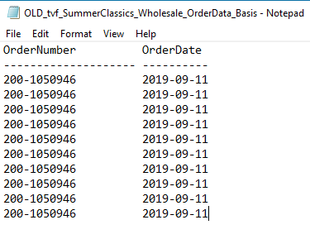
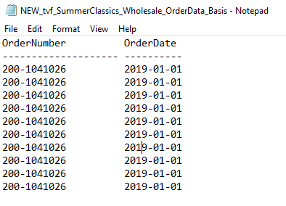
Test Plan Name
Test Case No. | 3 - tvf_SummerClassics_Wholesale_OrderData_Basis
Process | Validate 3 Years of data is retrieved
Test Consideration | 1) Validate queries are pulling 3 years worth of information
Test Condition |  | Data Used | How To Verify | Actual Results
Tasks
1 | Run SQL scripts |  | 1) 3 years worth of data
Configuration/Data Setup for Testing Scenario
1 | Execute current and updated SQL scripts
Verification
 | Screen Shots below
Test Cast Screens Shots Before and After

Case #4
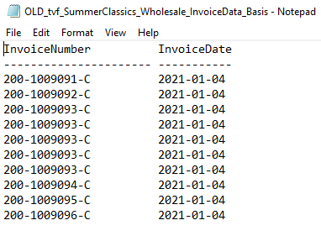
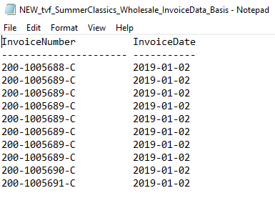
Test Plan Name
Test Case No. | 4 - tvf_SummerClassics_Wholesale_InvoiceData_Basis
Process | Validate 3 Years of data is retrieved
Test Consideration | 1) Validate queries are pulling 3 years worth of information
Test Condition |  | Data Used | How To Verify | Actual Results
Tasks
1 | Run SQL scripts |  | 1) 3 years worth of data
Configuration/Data Setup for Testing Scenario
1 | Execute current and updated SQL scripts
Verification
 | Screen Shots below
Test Cast Screens Shots Before and After

